1. Title Page
Instacart Data Analysis Project

Project Name: Instacart Data Analysis
Date: 9/19/24
Analyst Name: Sydney Storer

Contents:
Population Flow
Consistency checks
Wrangling steps
Column derivations
Visualizations
Recommendations

Data Citation
“The Instacart Online Grocery Shopping Dataset 2017”, Accessed from www.instacart.com/datasets/grocery-shopping-2017 via Kaggle on 8/18/24.
Note: The 'customers' dataset as well as the prices column in the products dataset were fabricated for the purpose of this project.

2. Population Flow
Title page

Population flow

Exclusion flag
Condition: max_order <
Obervations to be removed:
Final total count of order_products_all:

Orders_products_combined
Orders_products_merged
Orders_products_customers

Total: 32,404,859
Total: 32,434,489
Total: 32,404,859

1.) The grey boxes in the first row of the population flow represent the original data sets as they were when you downloaded them. In the Total fields you need to add the count of the rows when you imported the data set into Jupyter.
2.) The second row of boxes (coloured) represents the data sets after you manipulated them, e.g., removed missing values and duplicates. In the Total fields you need to add the count of the rows after conducting these operations. This offers a visual oveview of how the data flows throughout the data consistency checks.
3.) The third row, where also the arrows are coloured, represents the merges you performed between the datasets. In the Total fields you need to add the count of the rows in the merged datasets, so that you end up with the final dataset (in the red box). Keep in mind the final dataset should be without exclusions (based on the exclusion flag).

3. Consistency checks
 |  |  |  | Title page
Consistency checks

Dataset | Missing values | Missing values treatment | Duplicates
orders | 206209 | Left as-is | No duplicates found
products | 16 | Created a new dataframe to drop missing values | 5 - dropped duplicates
orders_products_prior | 0 | N/A | No duplicates found
customers | 0 | N/A | No duplicates found

4. Wrangling steps
 |  |  |  | Title page
Wrangling steps

Columns dropped | Columns renamed | Columns' type changed | Comment/Reason
eval_set |  |  | Unnecessary for this particular analysis
 |  | order_id | Data type changed from integer to string
 |  | user_id | Data type changed from integer to string
 | order_dow to orders_day_of_week |  | Ease of understanding
 | order_number to number_of_orders |  | Ease of understanding
 |  | first_name | Data type changed to string because mix-type values were in this column
 | First Name to first_name |  | For uniformity of column names
 | Surnam to last_name |  | For uniformity of column names and ease of understanding
 | Gender to gender |  | For uniformity of column names
 | STATE to state |  | For uniformity of column names
 | Age to age |  | For uniformity of column names
 | n_dependants to number_of_dependents |  | Ease of understanding
 | fam_status to marital_status |  | Ease of understanding
first_name |  |  | Unnecessary for this particular analysis, PII
last_name |  |  | Unnecessary for this particular analysis, PII
 | Unnamed to department_id |  | Ease of understanding, merge
_merge |  |  | All _merge columns dropped after merge checks

5. Column derivations
 |  |  |  | Title page

Column derivations and aggregations

In this tab you should add tables below that the frequences of flags/label variables that you produced after deriving them. NB: don't do this for continuous variables, only for flags.
Dataset | New column | Column/s it was derived from | Conditions
ords_prods_merge | price_range_loc | prices | if price > 15, then 'High-range product'
 |  |  | if price <= 15 & if price > 5, then 'Mid-range product'
 |  |  | if price <= 5, then 'Low-range product'
ords_prods_merge | busiest_day | orders_day_of_week | if value = 0 then 'Busiest day'
 |  |  | if value = 4 then 'Least busy'
 |  |  | else 'Regularly busy'
ords_prods_merge | busiest_days | orders_day_of_week | if value = 0 or if value = 1, then 'Busiest days'
 |  |  | if value = 3 or if value = 4, then 'Slowest days'
 |  |  | else 'Regularly busy'
ords_prods_merge | busiest_period_of_day | order_hour_of_day | if value in [10,11,14,15,13,12,16,9] then 'Most orders'
 |  |  | if value in [17,8,18,19,20,7,21,22] then 'Average orders'
 |  |  | else 'Fewest orders'
ords_prods_merge | max_order | number_of_orders | maximum number of orders placed by each user
ords_prods_merge | loyalty_flag | max_order | if max order > 40 then 'Loyal customer'
 |  |  | if max order <= 40 and if max order > 10 then 'Regular customer'
 |  |  | if max order <= 10 then 'New customer'
ords_prods_merge | avg_price | prices | average price per item for each user
ords_prods_merge | spending_flag | avg_price | if avg_price < 10 then 'Low spender'
 |  |  | if avg_price >= 10 then 'High spender'
ords_prods_merge | median_days_since_prior_order | user_id, days_since_prior_order | median number of days since each user's last order
ords_prods_merge | order_frequency | median_days_since_prior_order | if median_days_since_prior_order > 20 then 'Non-frequent customer'
 |  |  | if median_days_since_prior_order > 10 & median_days_since_prior_order <= 20 then 'Regular customer'
 |  |  | if median_days_since_prior_order < = 10 then 'Frequent customer'
ords_prods_cust | region | state | Northeast = Maine, New Hampshire, Vermont, Massachusetts, Rhode Island, Connecticut, New York, New Jersey, Pennsylvania
 |  |  | Midwest = Wisconsin, Michigan, Illinois, Indiana, Ohio, North Dakota, South Dakota, Nebraska, Kansas, Minnesota, Iowa, Missouri
 |  |  | South = Delaware, Maryland, District of Columbia, Virginia, West Virginia, North Carolina, South Carolina, Georgia, Florida, Kentucky, Tennessee, Mississippi, Alabama, Oklahoma, Arkansas, Texas, Louisiana
 |  |  | West = Idaho, Montana, Wyoming, Nevada, Utah, Colorado, Arizona, New Mexico, Alaska, Washington, Oregon, California, Hawaii
ords_prods_cust_excluded | activity_flag | max_order | if max_order < 5 then 'low-activity customer'
 |  |  | if max_order > 5 then 'high-activity customer'
ords_prods_cust_excluded | age_group | age | young adult <= 25 years
 |  |  | adult > 25 years & <= 44 years
 |  |  | middle-aged > 44 years & <= 64 years
 |  |  | senior > 65 years
ords_prods_cust_excluded | income_group | income | if income <= 55000 then 'low income'
 |  |  | if income > 55000 and if income <= 150000 then 'middle income'
 |  |  | if income > 150000 then 'high income'
ords_prods_cust_excluded | dependents_flag | number_of_dependents | if number of dependents = 0 then 'no dependents'
 |  |  | if number of dependents >= 1 then 'has dependents'

price_range_loc |  | loyalty_flag
Mid-range product 21860860 |  | Regular customer 15876776
Low-range-product 10126321 |  | Loyal customer 10284093
High-range product 417678 |  | New customer 6243990
Name: count, dtype: int64 |  | Name: count, dtype: int64

busiest_day |  | spending_flag
Regularly busy 22416875 |  | Low spender 31770614
Busiest day 6204182 |  | High spender 634245
Least busy 3783802 |  | Name: count, dtype: int64
Name: count, dtype: int64
 |  | order_frequency
busiest_days |  | Frequent customer 21559853
Regularly busy 12916111 |  | Regular customer 7208564
Busiest days 11864412 |  | Non-frequent customer 3636437
Slowest days 7624336 |  | NaN 5
Name: count, dtype: int64 |  | Name: count, dtype: int64

busiest_period_of_day |  | age_group
Most orders 21118071 |  | middle-aged 9690051
Average orders 9997651 |  | adult 9214451
Fewest orders 1289137 |  | senior 8195544
Name: count, dtype: int64 |  | young adult 3864518
 |  | Name: count, dtype: int64
dependents_flag
has dependents 23224883 |  | income_group
no dependents 7739681 |  | middle-income 22617642
Name: count, dtype: int64 |  | low-income 4452388
 |  | high-income 3894534
 |  | Name: count, dtype: int64

6. Visualizations
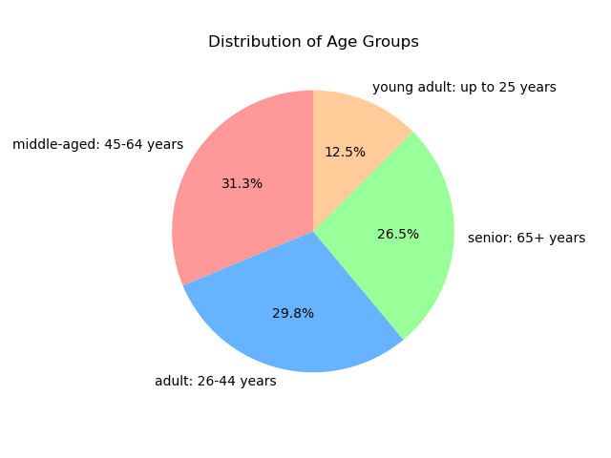
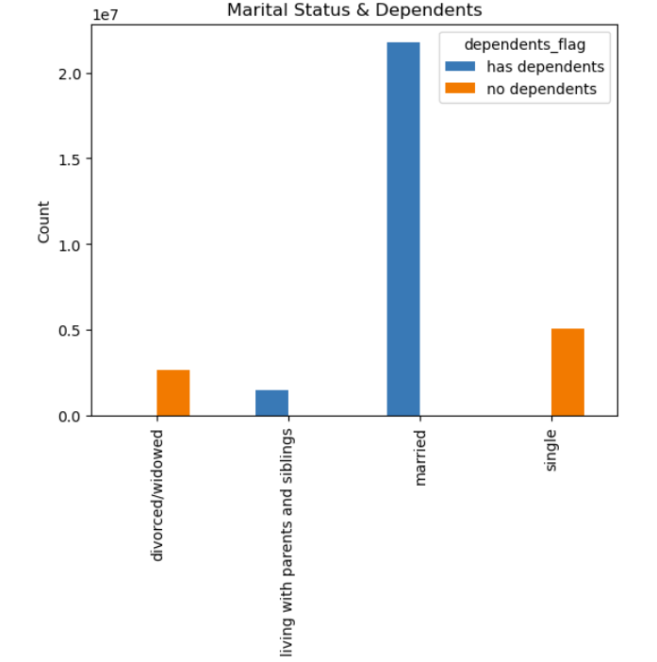
 | Title page

Visualisations

Question
The sales team needs to know what the busiest days of the week and hours of the day are (i.e., the days and times with the most orders) in order to schedule ads at times when there are fewer orders.

Comments
The busiest day is Saturday, and most orders are placed on Saturday/Sundays. Tuesday and Wednesday are the slowest days. Times of day with the most orders are from 9am-4pm, peaking at 10am with the most orders. The slowest times of day are early mornings.


Visualizations
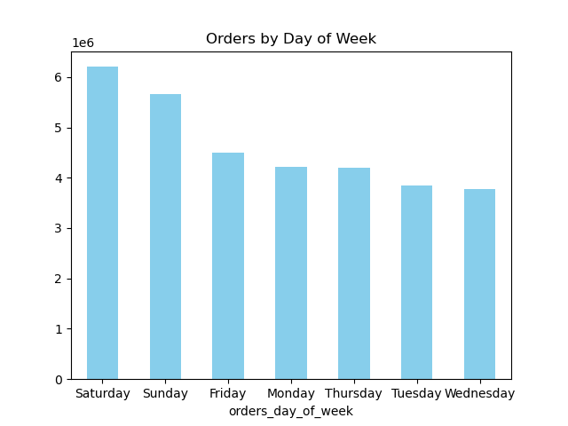

Question
They also want to know whether there are particular times of the day when people spend the most money, as this might inform the type of products they advertise at these times.

Comments
People spend the most money on products in the early morning and on the weekends, however the price fluctuation is very slight.

Visualizations

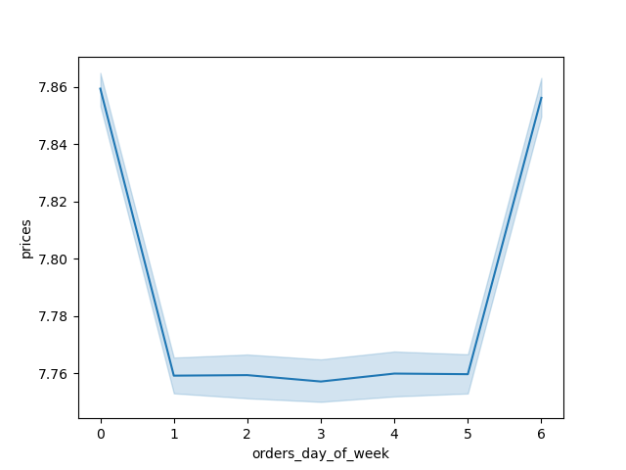

Question
Are there certain types of products that are more popular than others? The marketing and sales teams want to know which departments have the highest frequency of product orders.

Comments
Produce and dairy/eggs are ordered the most. Bulk items are ordered the least. Patterns stay consistent when split up by age group and income group.

Visualizations

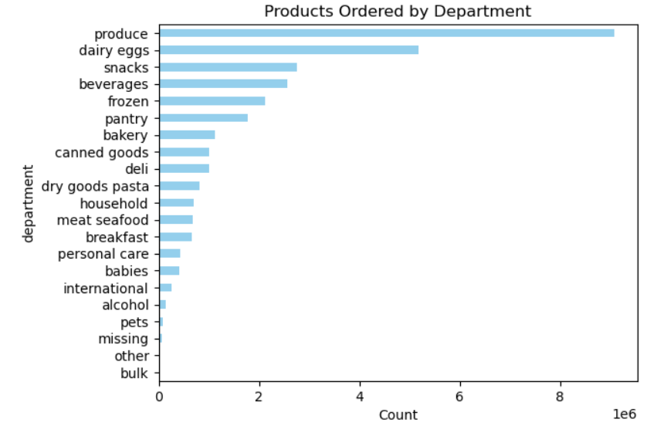
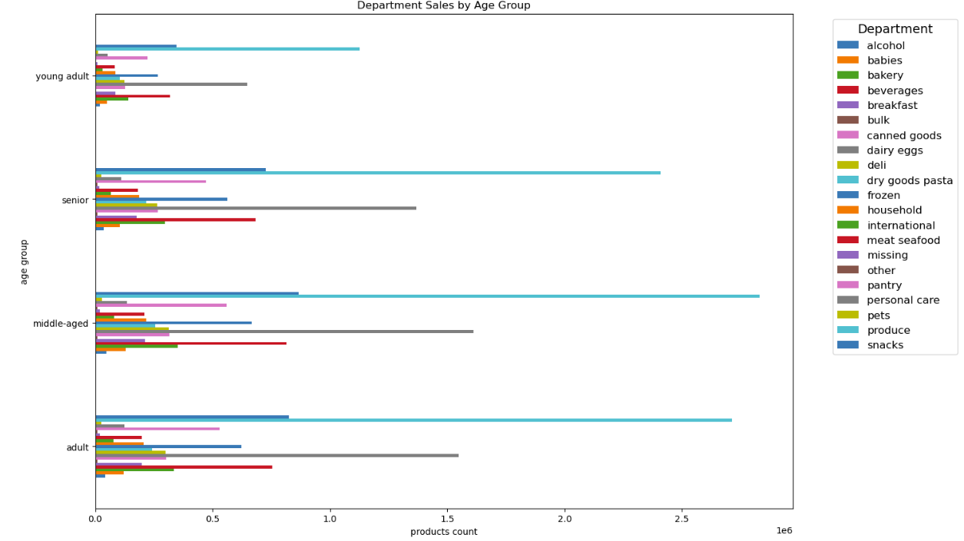
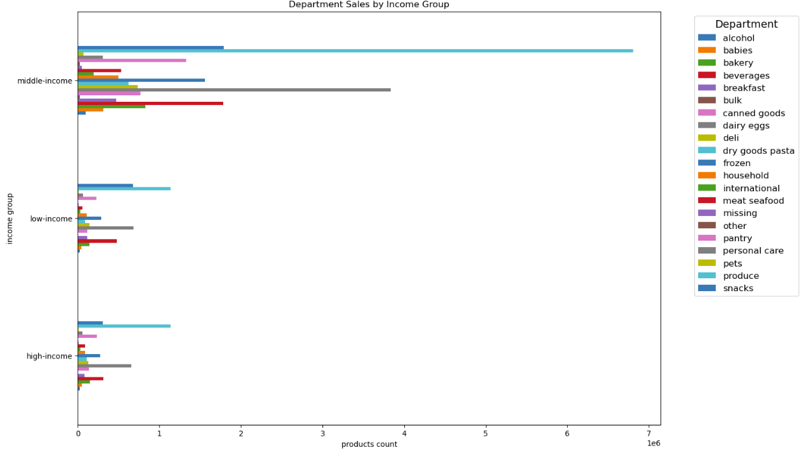

Question
What’s the distribution among users in regards to their brand loyalty (i.e., how often do they return to Instacart)?

Comments
Instacart's customer base is mostly made up of regular customers (between 10 and 40 orders).

Visualizations

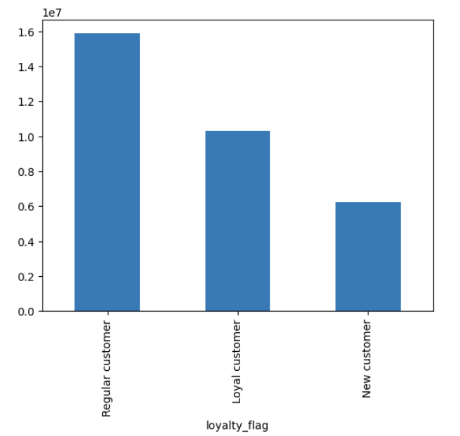

Question
Are there differences in ordering habits based on a customer’s region?

Comments
Most of Instacart's customers are located in the West. There are more customers who order frequently than those who order less frequently, for all regions with the West having the most frequent customers. Middle-income customers order the most in all regions.

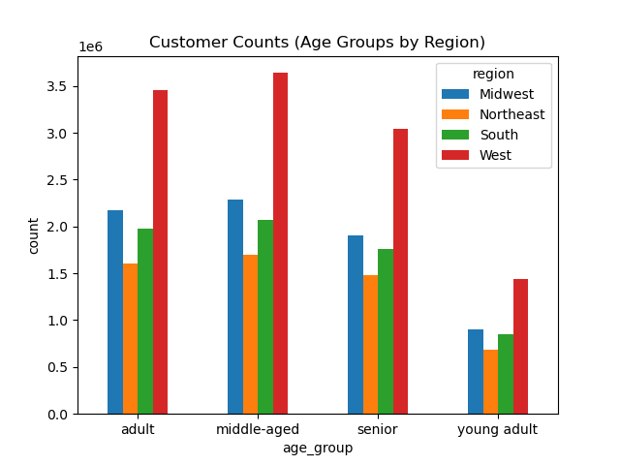
Visualizations
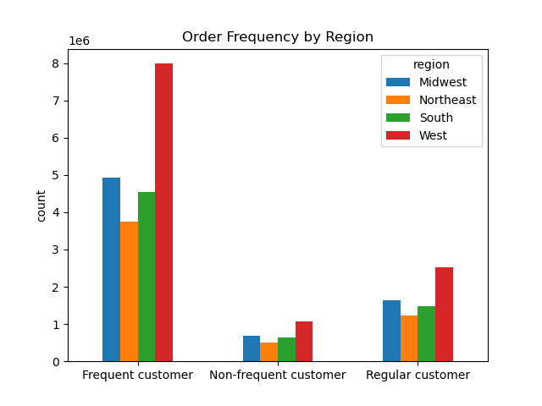
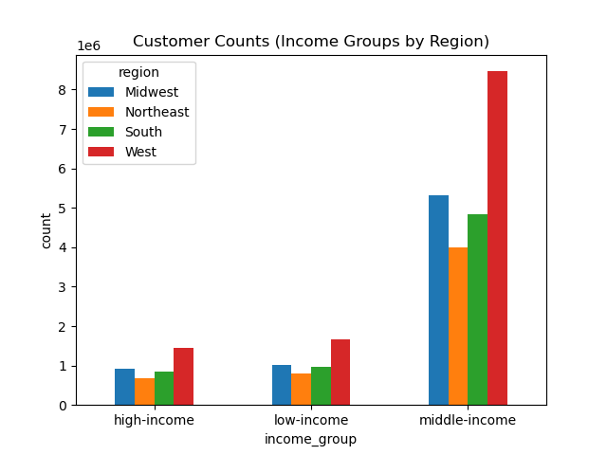

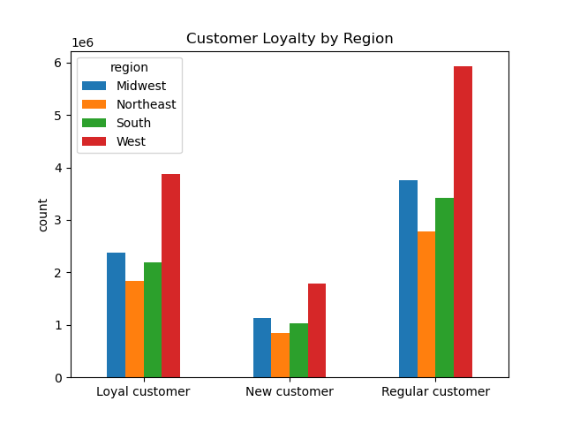
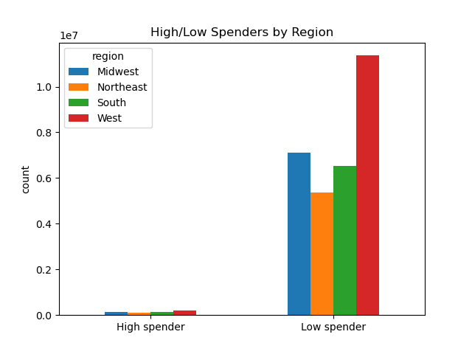

Question
Is there a connection between age and family status in terms of ordering habits?

Comments
Adults and middle-aged people order the most frequently, and those age groups are mostly married. Young adults order the least frequently and that age group is distributed among living with parents and siblings, married, and single.

Visualizations
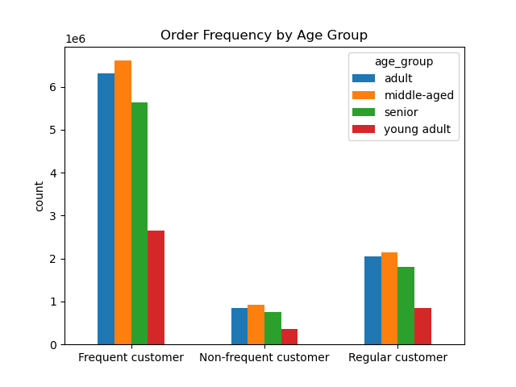
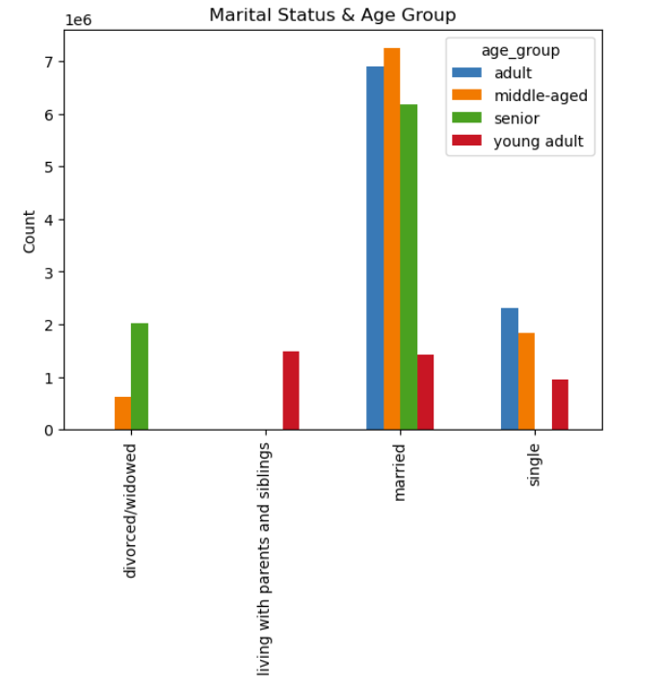

Question
What different classifications does the demographic information suggest? Age? Income? Certain types of goods? Family status?

Comments
Middle aged adults take up the majority of Instacart's customer base, followed closely by adults and seniors. Young adults make up the lowest percentage of Instacart's customer base.
Individuals who are married and living with parents and siblings have dependents, and single and divorced/widowed individuals do not have dependents.
There is a steep increase in income at age 40, reflecting a higher spending power for individuals over 40.


Visualizations

7. Recommendations
 |  | Title page

Recommendations

KEY QUESTION | RECOMMENDATIONS
The sales team needs to know what the busiest days of the week and hours of the day are (i.e., the days and times with the most orders) in order to schedule ads at times when there are fewer orders. | Most orders are placed on Saturdays and Sundays. The least amount of orders are placed on Tuesdays and Wednesdays. Instacart should plan ads on days when the least amount of orders are placed to increase orders. The busiest hours of the day are between 9am and 4pm, with most orders being placed around 10am. The slowest times of day are in the early mornings. Instacart should schedule more ads in the early mornings to increase ordering at that time.
They also want to know whether there are particular times of the day when people spend the most money, as this might inform the type of products they advertise at these times. | People spend more money on products in the early mornings and on weekends; however, the price fluctuation is minimal. Instacart can try and advertise high-range products during these specific days and times.
Instacart has a lot of products with different price tags. Marketing and sales want to use simpler price range groupings to help direct their efforts. | Products have been categorized as low-range, mid-range, and high-range to reflect price ranges.
Are there certain types of products that are more popular than others? The marketing and sales teams want to know which departments have the highest frequency of product orders. | Five top selling departments are: produce, dairy/eggs, snacks, beverages, frozen. I recommend advertising in the lowest selling departments to boost sales, which are bulk and other.
What’s the distribution among users in regards to their brand loyalty (i.e., how often do they return to Instacart)? | Instacart's customer base is mostly made up of regular customers (between 10 and 40 orders). It could be beneficial to create a loyalty incentive (rewards, coupons, etc) to convert regular customers to loyal customers.
Are there differences in ordering habits based on a customer’s loyalty status? | The region with the least amount of loyal customers is the Northeast. Instacart should target loyalty incentives towards this region of the US.
Are there differences in ordering habits based on a customer’s region? | Customers that order the most frequently are located in the West. Instacart can consider rewarding these customers to keep them ordering on a regular basis.
Is there a connection between age and family status in terms of ordering habits? | Married adults and middle-aged people order the most frequently. Young adults order the least frequently. Instacart can create targeted ad campaigns to young adults to create more interest.
What different classifications does the demographic information suggest? Age? Income? Certain types of goods? Family status? | Advertising high-range products to individuals over 40 would be beneficial, as the spending power increases at that age. Married individuals with dependents make up the majority of Instacart's customer base. Advertising bulk products to families could be beneficial, as bulk products sell the least but families would typically purchase bulk products more than single adults.
What differences can you find in ordering habits of different customer profiles? Consider the price of orders, the frequency of orders, the products customers are ordering, and anything else you can think of. | Most customers order low-priced products on the weekends from 9am-4pm. Instacart could benefit from advertising the top-selling departments because customers have expressed wanting to see ads targeted to their previous purchase habits.

